Welcome - Introduction
 | EFPIA Substance Regulatory Compliance Declaration for Articles
General Introduction to Scope
This form is endorsed by the European Federation of Pharmaceutical Industries and Associations (EFPIA) and consolidates environmental legislations impacting substances and materials used in articles (packaging, drug delivery devices) of pharmaceutical products.. The requirements on this declaration originate from legal obligations on article manufacturers globally: Stockholm Convention on Persistent Organic Pollutants, EU RoHS (2011/65/EU) and its other global variants, EU REACH (EC 1907/2006), EU Medical Device Regulation (EU MDR 2017/745), EU Battery Directive (2006/66/EC), EU Packaging and Packaging Waste Directive (94/62/EC), US TPCH, California Proposition 65. Additionally, this form contains reporting obligations for substances the members of the EFPIA have agreed to monitor due to proactive approach (PVC, PFAS). EFPIA strongly recommends the use of full material disclosures to enable all members of the supply chain to take a proactive approach to current and upcoming regulations, in particular, when demonstrating compliance to EU MDR (2017/745). See the full EFPIA Position paper at: https://www.efpia.eu/media/554871/efpia-ehseg-paper-on-material-declaration.pdf
Intention:
EFPIA member companies can use this form to collect compliance information on regulated substances from article or article materials from their supply chain. Information provided on this form by the supplier to requesting company is used by the requestor to ensure that the supplied article complies with all relevant legal requirements for substances in articles present in pharmaceutical products, and to facilitate the information needed for correct labelling and notification requirements. Supplier and the requestor of the information should be in agreement on how to handle any confidential information, such as substance CAS-numbers, how to fill this form correctly and which requirements apply to the supplied article or material.
Use Instruction:
1) Carefully read through each worksheet and provide information accordingly. 2) The supplier of the article or material is responsible for ensuring the accuracy of the provided data. 3) Supplier shall provide their contact information and part/material information and ensure that the declaration is dated and signed by a representative, who is knowledgeable of the substance requirements and who can be contacted in case the requester has questions related to the compliance of the declared article or material. 3) Begin by conducting the Legislation applicability check in the next worksheet. This sheet provides the requirements the declared article must conform to. 4) Provide answers to compliance questions for each legislation indicated as mandatory for the declared product. Note! Consult the requesting client on their requirements for supporting evidence, whether supplier statements are sufficient or whether the answers should be based on testing reports. 5) When completed, save all worksheets where information was added as one single .pdf document 6) Sign the PDF form electronically or by printing, signing and scanning the signed document as .pdf -file prior sending it to the requestor.
How to save this form as PDF:
1) Delete those worksheets that do not contain your input.
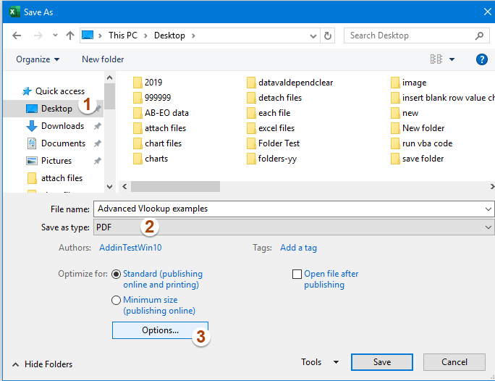 2) Click File > Save As, and in the Save As dialog box, please specify a folder for saving the new file, then select PDF from the Save as type drop down list, and then, click Options button, see screenshot:
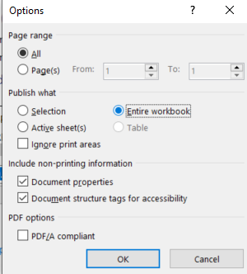 3) Then, in the popped out Options dialog box, check Entire workbook, see screenshot:

